Sheet1
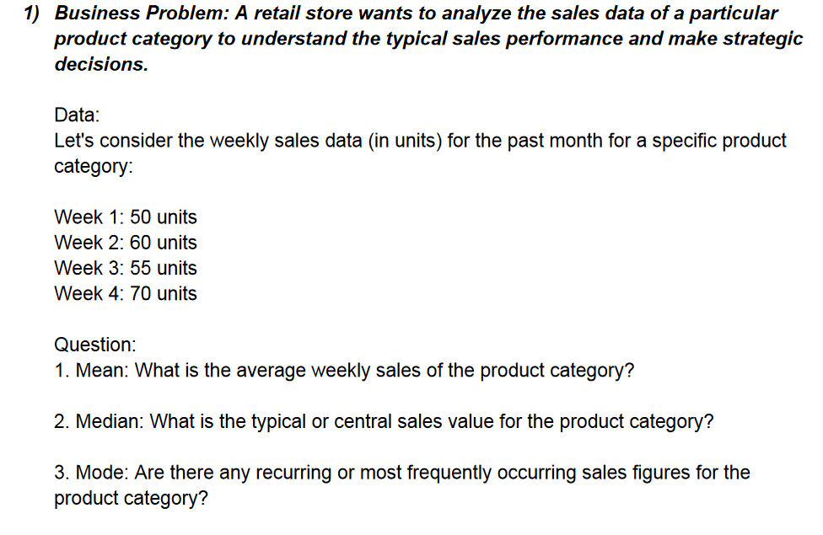

 |  | 50 | Mean= | 58.75
 |  | 60 | Median= | 57.5
 |  | 55 | Mode= | #N/A
 |  | 70

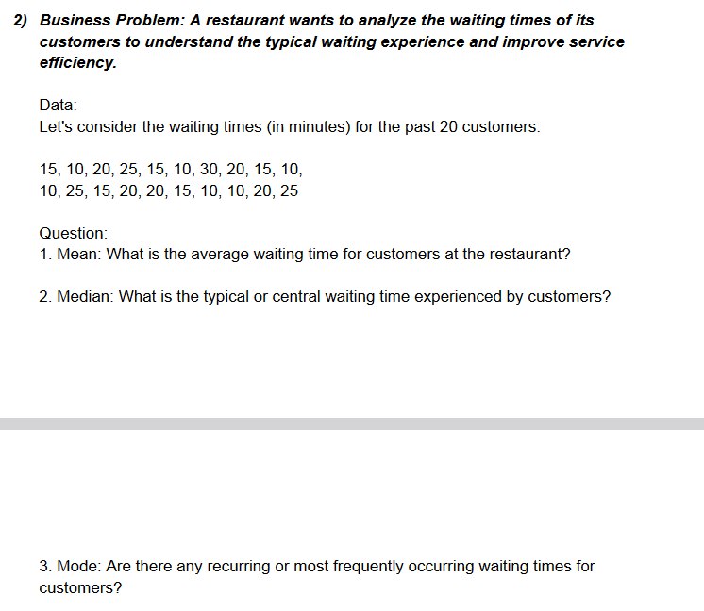

 |  | Answer 2:
 |  | 15 | Mean | 17.368421053
 |  | 10 | Median | 15
 |  | 20 | Mode | 15
 |  | 25
 |  | 15
 |  | 10
 |  | 30
 |  | 20
 |  | 15
 |  | 10
 |  | 10
 |  | 25
 |  | 15
 |  | 20
 |  | 20
 |  | 15
 |  | 10
 |  | 20
 |  | 25

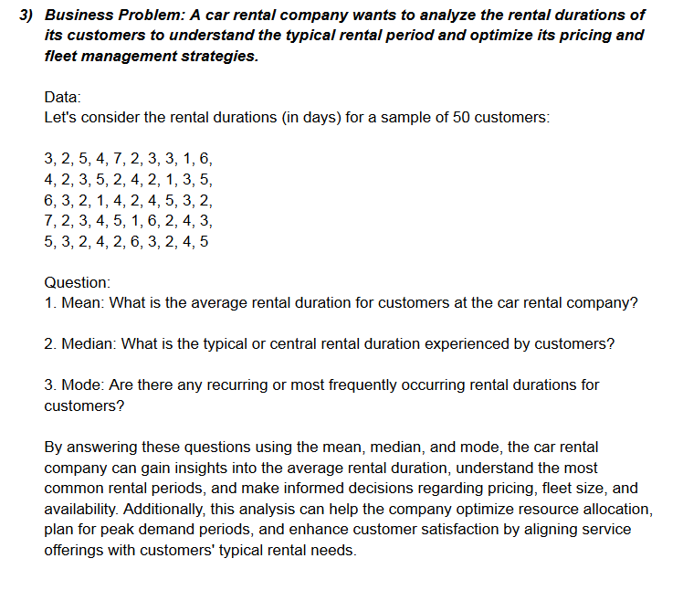

 |  |  | Answer 3:
 |  |  | 3 | 7
 |  |  | 2 | 3
 |  |  | 5 | 4 |  | Mean | 3.4324324324
 |  |  | 4 | 5 |  | Median | 3
 |  |  | 7 | 1 |  | Mode | 3
 |  |  | 2 | 6
 |  |  | 3 | 2
 |  |  | 3 | 4
 |  |  | 1 | 3
 |  |  | 6
 |  |  | 4
 |  |  | 2
 |  |  | 3
 |  |  | 5
 |  |  | 4
 |  |  | 2
 |  |  | 1
 |  |  | 3
 |  |  | 6
 |  |  | 3
 |  |  | 2
 |  |  | 1
 |  |  | 4
 |  |  | 2
 |  |  | 4
 |  |  | 5
 |  |  | 3
 |  |  | 2

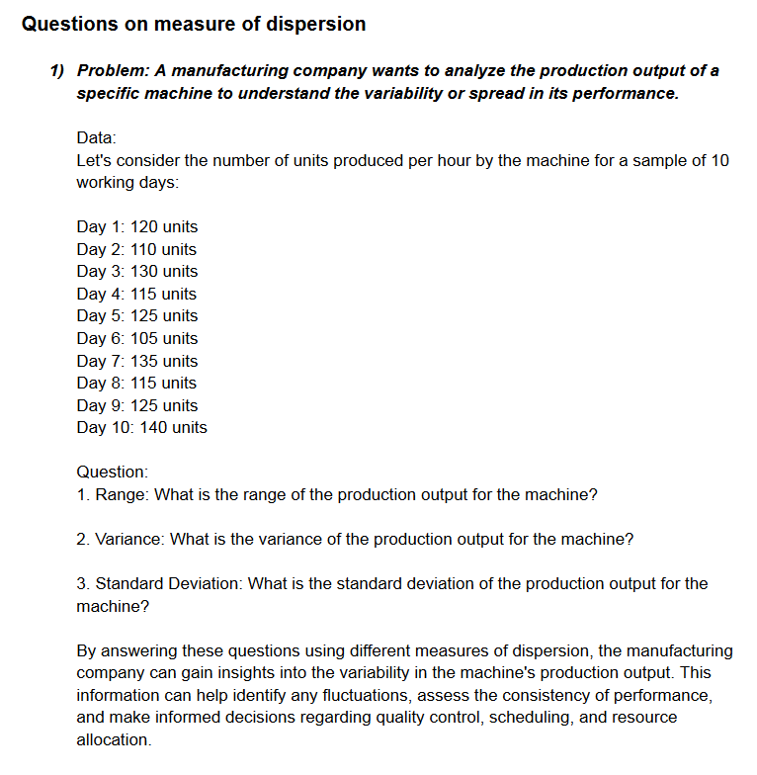

 |  |  | Answer 1:

 |  |  | 120
 |  |  | 110 | Min | 105
 |  |  | 130 | Max | 140
 |  |  | 115
 |  |  | 125 | Range | 35
 |  |  | 105 | Variance | 111
 |  |  | 135 | Std. Deviation | 10.535653753
 |  |  | 115
 |  |  | 125
 |  |  | 140

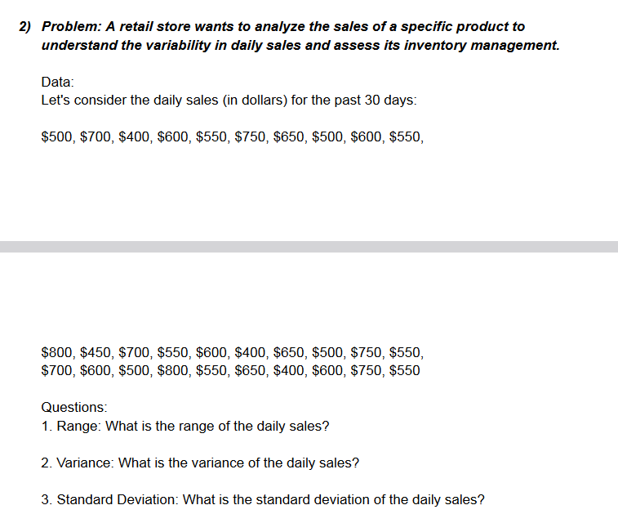
 |  | Answer 2:
 |  | 500
 |  | 700
 |  | 400
 |  | 600 |  | Min | 400
 |  | 550 |  | Max | 800
 |  | 750
 |  | 650 |  | Range | 400
 |  | 500 |  | Variance | 12725
 |  | 600 |  | Std. Deviation | 112.80514173
 |  | 550
 |  | 800
 |  | 450
 |  | 700
 |  | 550
 |  | 600
 |  | 400
 |  | 650
 |  | 500
 |  | 750
 |  | 550
 |  | 700
 |  | 600
 |  | 500 | 400
 |  | 800 | 600
 |  | 550 | 750
 |  | 650 | 550

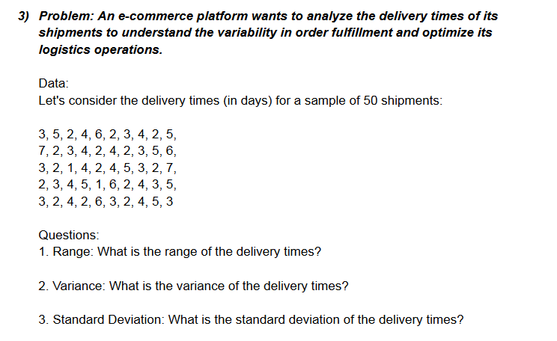
 |  | Answer 3:
 |  | 3 | 3 | 3
 |  | 5 | 2 | 2
 |  | 2 | 1 | 4
 |  | 4 | 4 | 2
 |  | 6 | 2 | 6
 |  | 2 | 4 | 3 |  | Min | 1
 |  | 3 | 5 | 2 |  | Max | 7
 |  | 4 | 3 | 4
 |  | 2 | 2 | 5 |  | Range | 6
 |  | 5 | 7 | 3 |  | Variance | 2.2896
 |  | 7 | 2 |  |  | Std. Deviation | 1.5131424256
 |  | 2 | 3
 |  | 3 | 4
 |  | 4 | 5
 |  | 2 | 1
 |  | 4 | 6
 |  | 2 | 2
 |  | 3 | 4
 |  | 5 | 3
 |  | 6 | 5

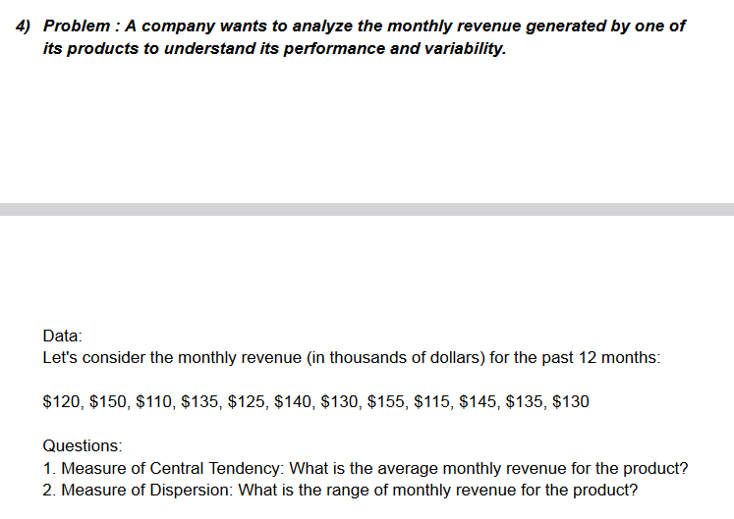
 |  | Answer 4:

 |  | 120
 |  | 150
 |  | 110 | Min | 110
 |  | 135 | Max | 155
 |  | 125 | Range | 45
 |  | 140 | Avg | 132.5
 |  | 130
 |  | 155
 |  | 115
 |  | 145
 |  | 135
 |  | 130

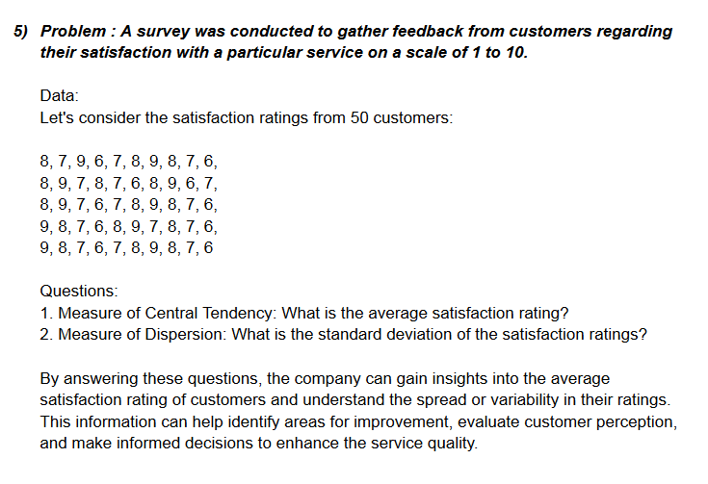

 |  | Answer 5:
 |  | 8 | 8 | 9
 |  | 7 | 9 | 8
 |  | 9 | 7 | 7
 |  | 6 | 6 | 6
 |  | 7 | 7 | 7
 |  | 8 | 8 | 8
 |  | 9 | 9 | 9
 |  | 8 | 8 | 8 |  | Avg | 7.5
 |  | 7 | 7 | 7 |  | Std. Deviation | 1.0246950766
 |  | 6 | 6 | 6
 |  | 8 | 9
 |  | 9 | 8
 |  | 7 | 7
 |  | 8 | 6
 |  | 7 | 8
 |  | 6 | 9
 |  | 8 | 7
 |  | 9 | 8
 |  | 6 | 7
 |  | 7 | 6

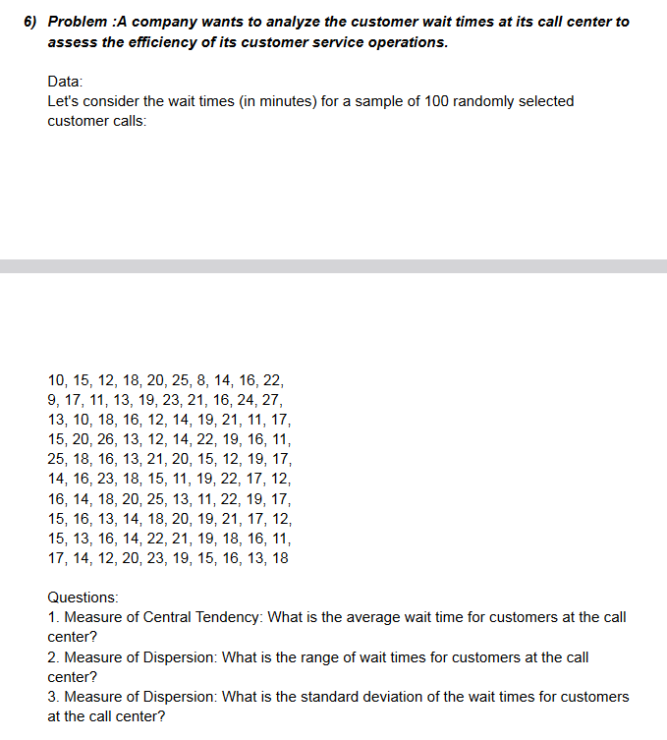
 |  | Answer 6:
 |  | 10 | 25 | 13
 |  | 15 | 18 | 16
 |  | 12 | 16 | 14
 |  | 18 | 13 | 22
 |  | 20 | 21 | 21
 |  | 25 | 20 | 19
 |  | 8 | 15 | 18
 |  | 14 | 12 | 16
 |  | 16 | 19 | 11
 |  | 22 | 17 | 17
 |  | 9 | 14 | 14
 |  | 17 | 16 | 12
 |  | 11 | 23 | 20
 |  | 13 | 18 | 23
 |  | 19 | 15 | 19
 |  | 23 | 11 | 15
 |  | 2 | 19 | 16 |  | Min | 2
 |  | 16 | 22 | 13 |  | Max | 27
 |  | 24 | 17 | 18 |  | Avg | 16.595959596
 |  | 27 | 12 |  |  | Range | 25
 |  | 13 | 16 |  |  | Std. Deviation | 4.3366402112
 |  | 10 | 14
 |  | 18 | 18
 |  | 16 | 20
 |  | 12 | 25
 |  | 14 | 13
 |  | 19 | 11
 |  | 21 | 22
 |  | 11 | 19
 |  | 17 | 17
 |  | 15 | 15
 |  | 20 | 16
 |  | 26 | 13
 |  | 13 | 14
 |  | 12 | 20
 |  | 14 | 19
 |  | 22 | 21
 |  | 19 | 17
 |  | 16 | 12
 |  | 17 | 15

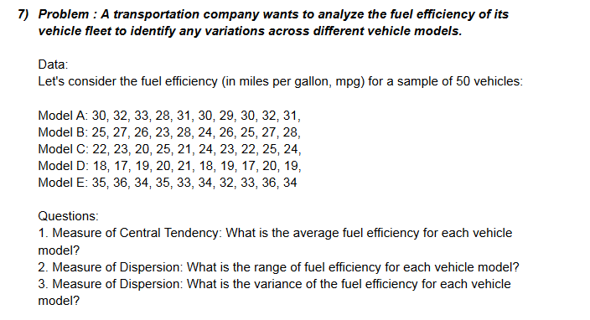
 |  | Answer 7:
 |  | Model A | Model B | Model C | Model D | Model E
 |  | 30 | 25 | 22 | 18 | 35
 |  | 32 | 27 | 23 | 17 | 36
 |  | 33 | 26 | 50 | 19 | 34
 |  | 28 | 23 | 25 | 20 | 35
 |  | 31 | 28 | 21 | 21 | 33
 |  | 30 | 24 | 24 | 18 | 34
 |  | 29 | 26 | 23 | 19 | 32
 |  | 30 | 25 | 22 | 17 | 33
 |  | 32 | 27 | 25 | 20 | 36
 |  | 31 | 28 | 24 | 19 | 34

 | Min | 28 | 23 | 21 | 17 | 32
 | Max | 33 | 28 | 50 | 21 | 36
 | Range | 5 | 5 | 29 | 4 | 4
 | Avg | 30.6 | 25.9 | 25.9 | 18.8 | 34.2
 | Variance | 2.04 | 2.49 | 0 | 1.56 | 1.56

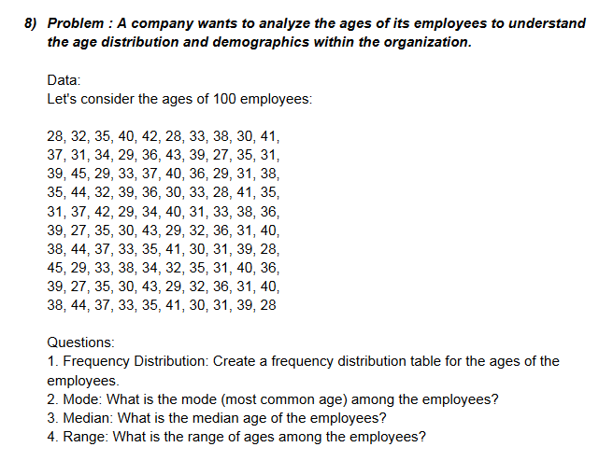
 | answer 8:
 | 28 | 39 | 31 | 38 | 39 |  | Min | 27
 | 32 | 45 | 37 | 44 | 27 |  | Max | 45
 | 35 | 29 | 42 | 37 | 35
 | 40 | 33 | 29 | 33 | 30 |  | Mod | 31
 | 42 | 37 | 34 | 35 | 43 |  | Median | 35
 | 28 | 40 | 40 | 41 | 29 |  | Range | 18
 | 33 | 36 | 31 | 30 | 32
 | 38 | 29 | 33 | 31 | 36
 | 30 | 31 | 38 | 39 | 31 |  | Age Range | Bin
 | 41 | 38 | 36 | 28 | 40 |  | 25-30 | 30
 | 37 | 35 | 39 | 45 | 38 |  | 30-35 | 35
 | 31 | 44 | 27 | 29 | 44 |  | 35-40 | 40
 | 34 | 32 | 35 | 33 | 37 |  | 40-45 | 45
 | 29 | 39 | 30 | 28 | 33
Frequency
 | 36 | 36 | 43 | 34 | 35 |  | Bin | Frequency
 | 43 | 30 | 29 | 32 | 41 |  | 25-30 | 22
 | 39 | 33 | 32 | 35 | 30 |  | 30-35 | 34
 | 27 | 28 | 36 | 31 | 31 |  | 35-40 | 30
 | 35 | 41 | 31 | 40 | 39 |  | 40-45 | 14
 | 31 | 35 | 40 | 36 | 28 |  | More | 0

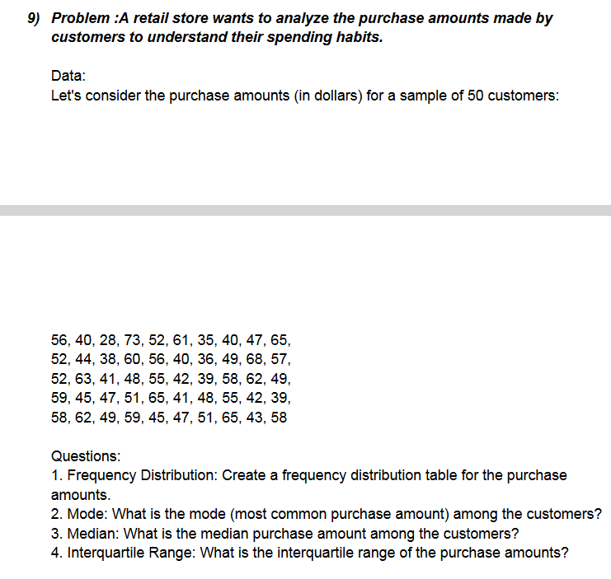
 | Answer 9:
 | 56 | 59
 | 40 | 45
 | 28 | 47 | Min | 9
 | 73 | 51 | Max | 73
 | 52 | 65
 | 61 | 41 | Mod | 40
 | 35 | 48 | Median | 50
 | 40 | 55 | Range | 64
 | 47 | 42
 | 65 | 39 |  | Purchase Amount | Bin
 | 52 | 58 |  | `0-10 | 10
 | 44 | 62 |  | `10-20 | 20
 | 38 | 49 |  | `20-30 | 30
 | 60 | 59 |  | `30-40 | 40
 | 56 | 45 |  | `40-50 | 50
 | 40 | 47 |  | `60-70 | 70
 | 36 | 51 |  | `70-80 | 80
 | 9 | 65
 | 68 | 43
 | 57 | 58 |  | Bin | Frequency | Bin | Frequency
Histogram
 | 52 |  |  | 10 | 1 | 70 | 24
 | 63 |  |  | 20 | 0 | 50 | 15
 | 41 |  |  | 30 | 1 | 40 | 8
 | 48 |  |  | 40 | 8 | 10 | 1
 | 55 |  |  | 50 | 15 | 30 | 1
 | 42 |  |  | 70 | 24 | 80 | 1
 | 39 |  |  | 80 | 1 | 20 | 0
 | 58 |  |  | More | 0 | More | 0
 | 62
 | 49

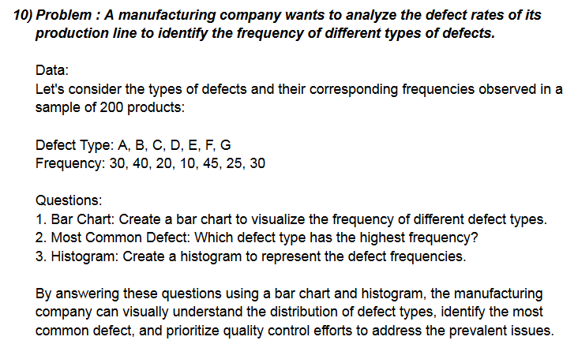
 | Answer 10:
 | 30 | Min | 10
 | 40 | Max | 45
 | 20
 | 10
Histogram
 | 45 | Frequency
 | 25 | `10-20 | 20 | Bin | Frequency | Bin | Frequency
 | 30 | `20-30 | 30 | 20 | 2 | 30 | 3
 |  | `30-40 | 40 | 30 | 3 | 20 | 2
 |  | `40-50 | 50 | 40 | 1 | 40 | 1
 |  |  |  | 50 | 1 | 50 | 1
 |  |  |  | More | 0 | More | 0

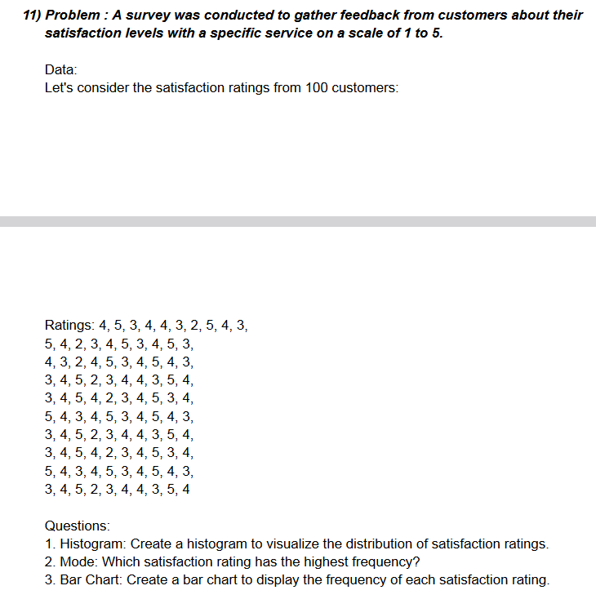
Answer 11:
4 | 3 | 3 | 3 | Ratings | Bin
5 | 4 | 4 | 4 | `1-2 | 2
3 | 5 | 5 | 5 | `2-3 | 3
4 | 2 | 2 | 2 | `3-4 | 4
4 | 3 | 3 | 3 | `4-5 | 5
3 | 4 | 4 | 4 | `5-6 | 6
2 | 4 | 4 | 4
Histogram
5 | 3 | 3 | 3
4 | 5 | 5 | 4 | Bin | Frequency | Bin | Frequency
3 | 4 | 4 | 5 | 2 | 8 | 4 | 39
5 | 3 | 3 |  | 3 | 30 | 3 | 30
4 | 4 | 4 |  | 4 | 39 | 5 | 23
2 | 5 | 5 |  | 5 | 23 | 2 | 8
3 | 4 | 4 |  | 6 | 0 | 6 | 0
4 | 2 | 2 |  | More | 0 | More | 0
5 | 3 | 3
3 | 4 | 4
4 | 5 | 5
5 | 3 | 3
3 | 4 | 4
4 | 5 | 5
3 | 4 | 4
2 | 3 | 3
4 | 4 | 4
5 | 5 | 5
3 | 3 | 3
4 | 4 | 4
5 | 5 | 5
4 | 4 | 4
3 | 3 | 3

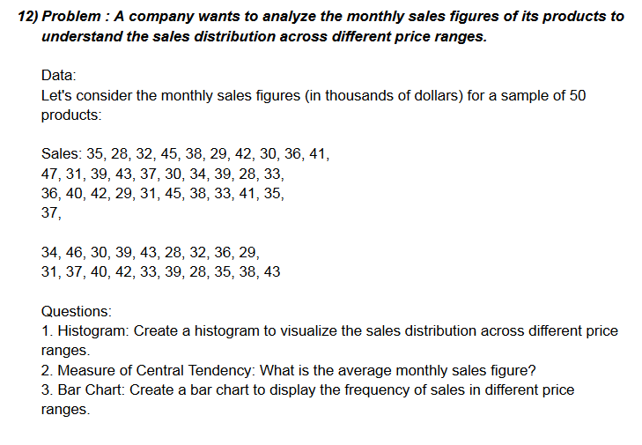
Answer 12:
35 | 36 | 31
28 | 40 | 37 | Avg | 36.204081633
32 | 42 | 40
Histogram
45 | 29 | 42 | Sales
38 | 31 | 39 | `5-10 | 10 | Bin | Frequency | Bin | Frequency
29 | 45 | 28 | `10-15 | 15 | 10 | 0 | 40 | 15
42 | 38 | 35 | `15-20 | 20 | 15 | 0 | 35 | 12
30 | 33 | 38 | `20-25 | 25 | 20 | 0 | 30 | 10
36 | 41 | 43 | `25-30 | 30 | 25 | 0 | 45 | 10
41 | 35 |  | `30-35 | 35 | 30 | 10 | More | 2
47 | 37 |  | `35-40 | 40 | 35 | 12 | 10 | 0
31 | 34 |  | `40-45 | 45 | 40 | 15 | 15 | 0
39 | 46 |  |  |  | 45 | 10 | 20 | 0
43 | 30 |  |  |  | More | 2 | 25 | 0
37 | 39
30 | 43
34 | 28
39 | 32
28 | 36
33 | 29

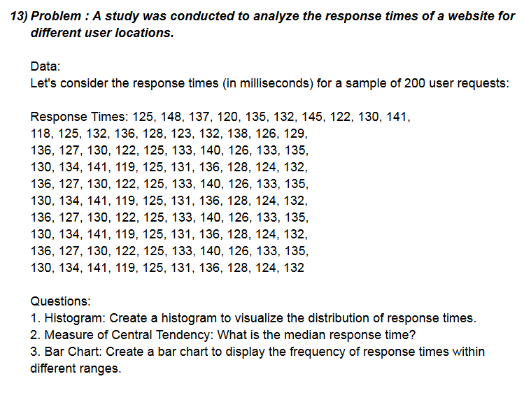
Answer 13:
125 | 140 | 134 | 122
148 | 126 | 141 | 128 | Median | 131
137 | 133 | 119 | 124
Histogram
120 | 135 | 125 | 132 | Response Time | Bin
135 | 130 | 131 |  | `120-125 | 125 | Bin | Frequency | Bin | Frequency
132 | 134 | 136 |  | `125-130 | 130 | 125 | 20 | 135 | 22
145 | 141 | 128 |  | `130-135 | 135 | 130 | 19 | 125 | 20
130 | 119 | 124 |  | `135-140 | 140 | 135 | 22 | 130 | 19
141 | 125 | 132 |  | `140-145 | 145 | 140 | 12 | 140 | 12
118 | 131 | 136 |  |  |  | 145 | 5 | 145 | 5
125 | 136 | 127 |  |  |  | More | 1 | More | 1
132 | 128 | 130
136 | 124 | 125
128 | 132 | 133
123 | 136 | 140
132 | 127 | 126
138 | 130 | 133
126 | 122 | 135
129 | 125 | 130
136 | 133 | 134
127 | 140 | 141
130 | 126 | 119
122 | 133 | 125
125 | 135 | 131
133 | 130 | 136

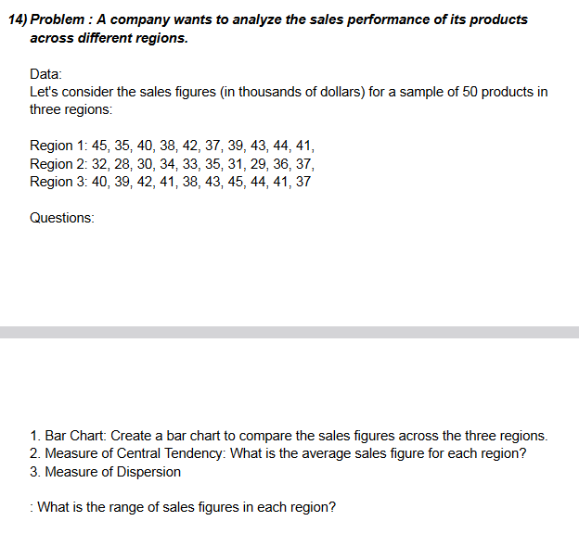
Answer 14:
 | Region 1 | Region 2 | Region 3
 | 45 | 32 | 40
 | 35 | 28 | 39
 | 40 | 30 | 42
 | 38 | 34 | 41
 | 42 | 33 | 38
 | 37 | 35 | 43
 | 39 | 31 | 45
 | 43 | 29 | 44
 | 44 | 36 | 41
 | 41 | 37 | 37

Min | 35 | 28 | 37
Max | 45 | 37 | 45
Avg | 40.4 | 32.5 | 41
Range | 10 | 9 | 8

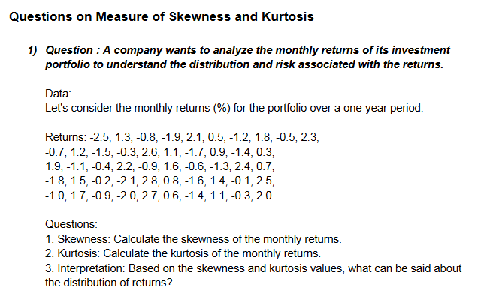
Answer 1:
-2.5 | 0.9 | 2.8 | Skewness | 0.054546017084
1.3 | -1.4 | 0.8 | Kurtosis | -1.3042496426
-0.8 | 0.3 | -1.6
-1.9 | 1.9 | 1.4
2.1 | -1.1 | -0.1
0.5 | -0.4 | 2.5
-1.2 | 2.2 | -1
1.8 | -0.9 | 1.7
-0.5 | 1.6 | -0.9
2.3 | -0.6 | -2
-0.7 | -1.3 | 2.7
1.2 | 2.4 | 0.6
-1.5 | 0.7 | -1.4
-0.3 | -1.8 | 1.1
2.6 | 1.5 | -0.3
1.1 | -0.2 | 2
-1.7 | -2.1

Answer 2:
2.5 | 2.2 | 2.8 | 3.1 | 2.2
4.8 | 3.6 | 4.1 | 2.9 | 3.6 |  | Skewness | 0.22402536455
3.2 | 4 | 2.6 | 4.6 | 4 |  | Kurtosis | -0.93120912453
2.1 | 2.7 | 2.4 | 3.3 | 2.7
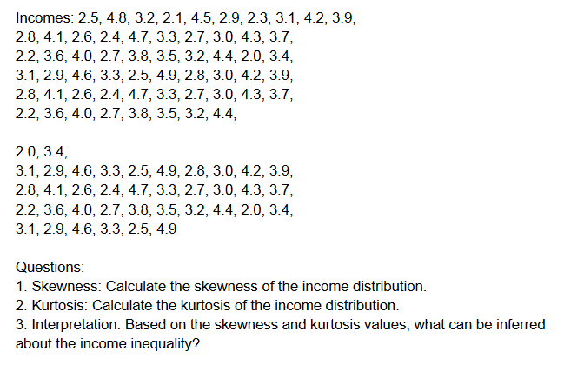
4.5 | 3.8 | 4.7 | 2.5 | 3.8
2.9 | 3.5 | 3.3 | 4.9 | 3.5
2.3 | 3.2 | 2.7 | 2.8 | 3.2
3.1 | 4.4 | 3 | 3 | 4.4
4.2 | 2 | 4.3 | 4.2 | 2
3.9 | 3.4 | 3.7 | 3.9 | 3.4
2.8 | 3.1 | 2.2 | 2.8 | 3.1
4.1 | 2.9 | 3.6 | 4.1 | 2.9
2.6 | 4.6 | 4 | 2.6 | 4.6
2.4 | 3.3 | 2.7 | 2.4 | 3.3
4.7 | 2.5 | 3.8 | 4.7 | 2.5
3.3 | 4.9 | 3.5 | 3.3 | 4.9
2.7 | 2.8 | 3.2 | 2.7
3 | 3 | 4.4 | 3
4.3 | 4.2 | 2 | 4.3
3.7 | 3.9 | 3.4 | 3.7

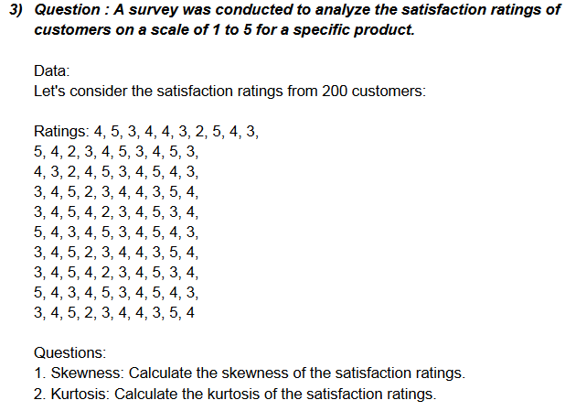
Answer3:
4 | 4 | 3 | 3 | 5
5 | 3 | 4 | 4 | 4
3 | 2 | 5 | 5 | 3 |  | Skewness | -0.20956677165
4 | 4 | 4 | 2 | 4 |  | Kurtosis | -0.70610995477
4 | 5 | 2 | 3 | 5
3 | 3 | 3 | 4 | 3
2 | 4 | 4 | 4 | 4
5 | 5 | 5 | 3 | 5
4 | 4 | 3 | 5 | 4
3 | 3 | 4 | 4 | 3
5 | 3 | 5 | 3 | 3
4 | 4 | 4 | 4 | 4
2 | 5 | 3 | 5 | 2
3 | 2 | 4 | 4 | 3
4 | 3 | 5 | 2 | 4
5 | 4 | 3 | 3 | 4
3 | 4 | 4 | 4 | 3
4 | 3 | 5 | 5 | 5
5 | 5 | 4 | 3 | 4
3 | 4 | 3 | 4 | 4

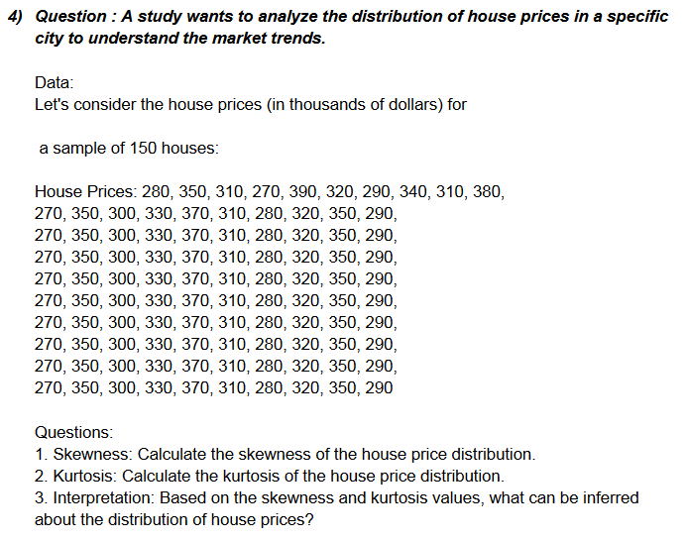
Answer 4:
280 | 270 | 270 | 270 | 270
350 | 350 | 350 | 350 | 350
310 | 300 | 300 | 300 | 300 |  | Skewness | 0.2092186248
270 | 330 | 330 | 330 | 330 |  | Kurtosis | -1.0374244845
390 | 370 | 370 | 370 | 370
320 | 310 | 310 | 310 | 310
290 | 280 | 280 | 280 | 280
340 | 320 | 320 | 320 | 320
310 | 350 | 350 | 350 | 350
380 | 290 | 290 | 290 | 290
270 | 270 | 270 | 270 | 270
350 | 350 | 350 | 350 | 350
300 | 300 | 300 | 300 | 300
330 | 330 | 330 | 330 | 330
370 | 370 | 370 | 370 | 370
310 | 310 | 310 | 310 | 310
280 | 280 | 280 | 280 | 280
320 | 320 | 320 | 320 | 320
350 | 350 | 350 | 350 | 350
290 | 290 | 290 | 290 | 290

Answer 5:
12 | 14 | 22 | 12 | 14
18 | 20 | 19 | 18 | 20
15 | 19 | 13 | 15 | 19
22 | 17 | 16 | 22 | 17 |  | Skewness | -0.33213023677
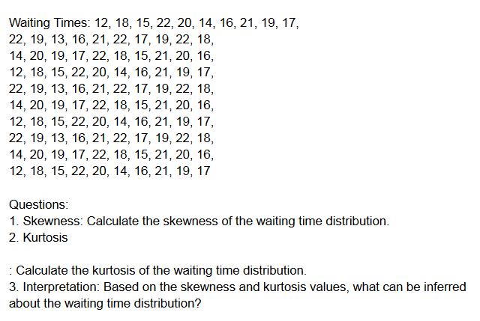
20 | 22 | 21 | 20 | 22 |  | Kurtosis | -0.90776798133
14 | 18 | 22 | 14 | 18
16 | 15 | 17 | 16 | 15
21 | 21 | 19 | 21 | 21
19 | 20 | 22 | 19 | 20
17 | 16 | 18 | 17 | 16
22 | 12 | 14 | 22 | 12
19 | 18 | 20 | 19 | 18
13 | 15 | 19 | 13 | 15
16 | 22 | 17 | 16 | 22
21 | 20 | 22 | 21 | 20
22 | 14 | 18 | 22 | 14
17 | 16 | 15 | 17 | 16
19 | 21 | 21 | 19 | 21
22 | 20 | 20 | 22 | 19
18 | 16 | 16 | 18 | 17

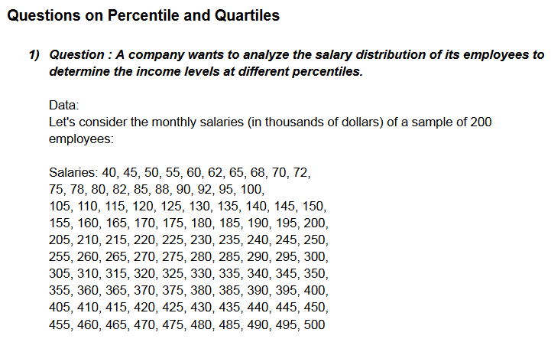
 | Answer 1:
 | 40 | 135 | 255 | 375 | 495
 | 45 | 140 | 260 | 380 | 500
 | 50 | 145 | 265 | 385
 | 55 | 150 | 270 | 390
 | 60 | 155 | 275 | 395
 | 62 | 160 | 280 | 400
 | 68 | 165 | 285 | 405
 | 70 | 170 | 290 | 410
 | 72 | 175 | 295 | 415
 | 75 | 180 | 300 | 420
 | 78 | 185 | 305 | 425
 | 80 | 190 | 310 | 430
 | 82 | 195 | 315 | 435
 | 88 | 200 | 320 | 440
 | 90 | 205 | 325 | 445
 | 92 | 210 | 330 | 450
 | 95 | 215 | 335 | 455
 | 100 | 220 | 340 | 460
 | 105 | 225 | 345 | 465
 | 110 | 230 | 350 | 470
 | 115 | 235 | 355 | 475
 | 120 | 240 | 360 | 480
 | 125 | 245 | 365 | 485
 | 130 | 250 | 370 | 490

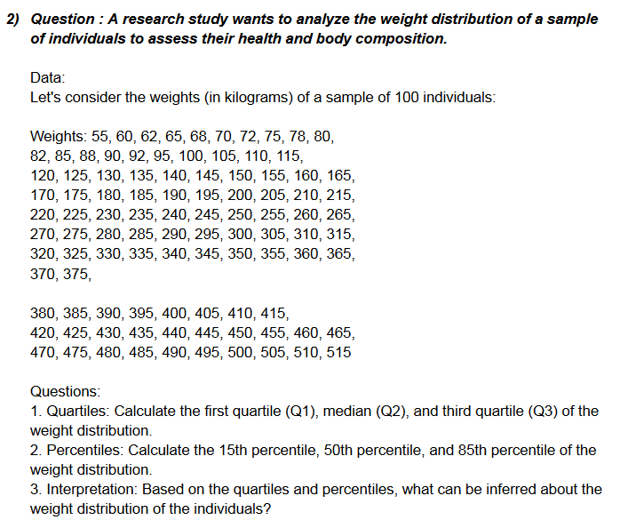
 | Answer 2:
 | 55 | 145 | 270 | 400
 | 60 | 150 | 275 | 405
 | 62 | 155 | 280 | 410
 | 65 | 160 | 285 | 415
 | 68 | 165 | 290 | 420
 | 70 | 170 | 300 | 425
 | 72 | 175 | 305 | 430
 | 75 | 180 | 310 | 435
 | 78 | 185 | 315 | 440
 | 80 | 190 | 320 | 445
 | 82 | 195 | 325 | 450
 | 85 | 200 | 330 | 455
 | 88 | 205 | 335 | 460
 | 90 | 210 | 340 | 465
 | 92 | 215 | 345 | 470
 | 95 | 220 | 350 | 475
 | 100 | 225 | 355 | 480
 | 105 | 230 | 360 | 485
 | 110 | 235 | 365 | 490
 | 115 | 240 | 370 | 495
 | 120 | 245 | 375 | 500
 | 125 | 250 | 380 | 505
 | 130 | 255 | 385 | 510
 | 135 | 260 | 390 | 515
 | 140 | 265 | 395
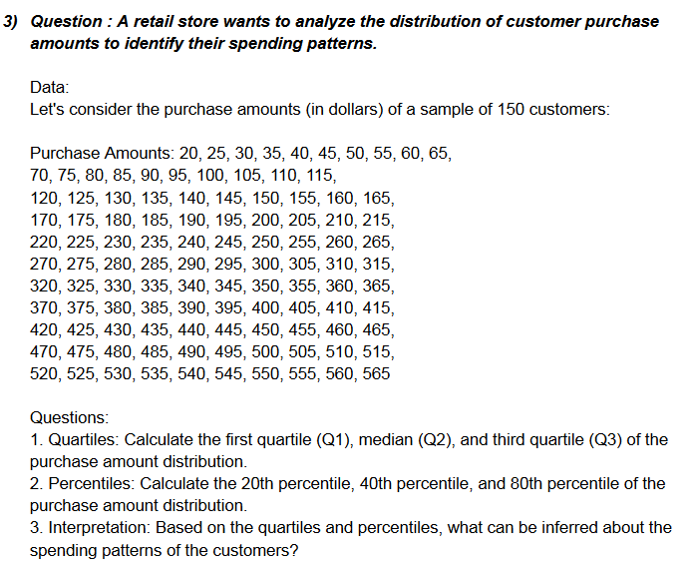
 | Answer3:
 | 20 | 130 | 240 | 350 | 460
 | 25 | 135 | 245 | 355 | 465
 | 30 | 140 | 250 | 360 | 470
 | 35 | 145 | 255 | 365 | 475
 | 40 | 150 | 260 | 370 | 480
 | 45 | 155 | 265 | 375 | 485
 | 50 | 160 | 270 | 380 | 490
 | 55 | 165 | 275 | 385 | 495
 | 60 | 170 | 280 | 390 | 500
 | 65 | 175 | 285 | 395 | 505
 | 70 | 180 | 290 | 400 | 510
 | 75 | 185 | 295 | 405 | 515
 | 80 | 190 | 300 | 410 | 520
 | 85 | 195 | 305 | 415 | 525
 | 90 | 200 | 310 | 420 | 530
 | 95 | 205 | 315 | 425 | 535
 | 100 | 210 | 320 | 430 | 540
 | 105 | 215 | 325 | 435 | 545
 | 110 | 220 | 330 | 440 | 550
 | 115 | 225 | 335 | 445 | 555
 | 120 | 230 | 340 | 450 | 560
 | 125 | 235 | 345 | 455 | 565

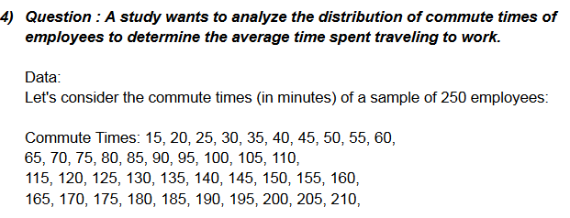
Answer 4:
15 | 140 | 265 | 390 | 515
20 | 145 | 270 | 395 | 520
25 | 150 | 275 | 400 | 525
30 | 155 | 280 | 405 | 530
35 | 160 | 285 | 410 | 535
40 | 165 | 290 | 415 | 540
45 | 170 | 295 | 420 | 545
50 | 175 | 300 | 425 | 550
55 | 180 | 305 | 430 | 555
60 | 185 | 310 | 435 | 560
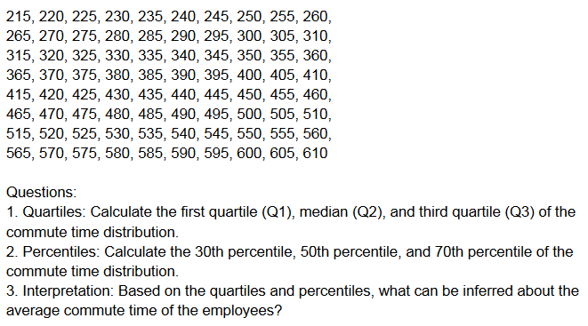
65 | 190 | 315 | 440 | 565
70 | 195 | 320 | 445 | 570
75 | 200 | 325 | 450 | 575
80 | 205 | 330 | 455 | 580
85 | 210 | 335 | 460 | 585
90 | 215 | 340 | 465 | 590
95 | 220 | 345 | 470 | 595
100 | 225 | 350 | 475 | 600
105 | 230 | 355 | 480 | 605
110 | 235 | 360 | 485 | 610
115 | 240 | 365 | 490
120 | 245 | 370 | 495
125 | 250 | 375 | 500
130 | 255 | 380 | 505
135 | 260 | 385 | 510

